EXCEL CSV
Date | EXCEL/CSV | Description | From | To
2026-07-30 | EXCEL/CSV | Update Prices
2026-07-30 | EXCEL/CSV | Dom Extra Svcs tab, Cell B92: Update Description
2026-07-30 | EXCEL/CSV | IPA tab, Cell J105: Add Asterisk | 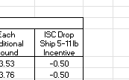 | 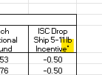
2026-07-30 | EXCEL/CSV | IPA tab, Cell A129: Add footnote
2026-08-26 | EXCEL/CSV | AMS tab, Add NCOA + with Tier pricing section
2026-07-30 | EXCEL/CSV | Change the effective date on all tabs | 12-Jul-26 | 4-Oct-26

HTML PDF
Date Created | HTML/PDF | Description | From | To
2026-07-30 | HTML/PDF | Update prices
2026-07-30 | HTML/PDF | Page 1 Change the effective date
2026-07-30 | HTML/PDF | Page 29 Domestic—Extra Services and Fees USPS Tracking Individual Pieces USPS Marketing Mail add verbiage to ("parcels only") to include Heavy Printed Matter | 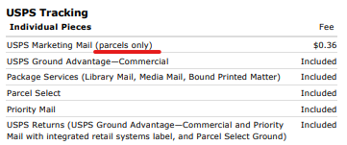 | 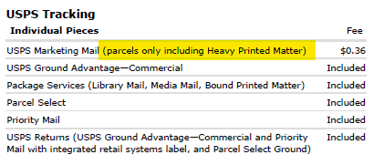
2026-08-26 | HTML/PDF | Page 35 Address Management System (AMS) Move section to the left and add NCOA + Pricing tier to the right | 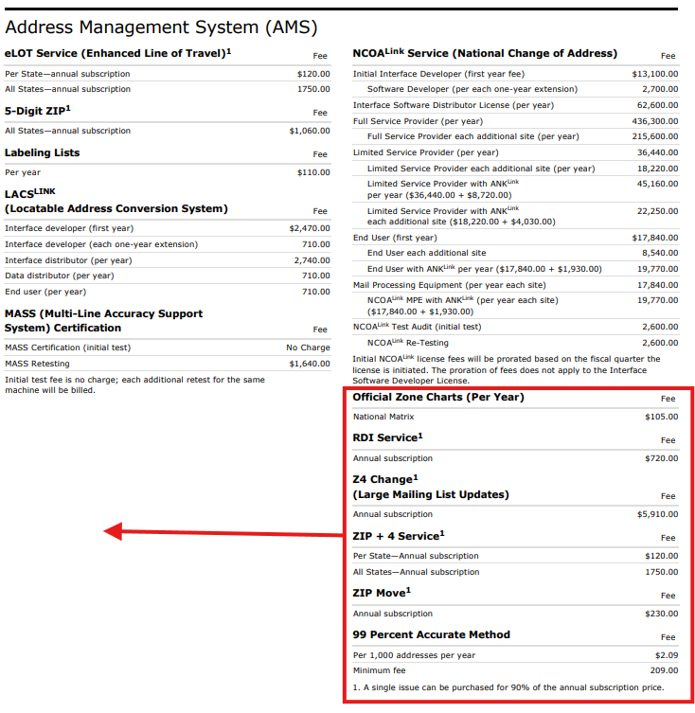 | 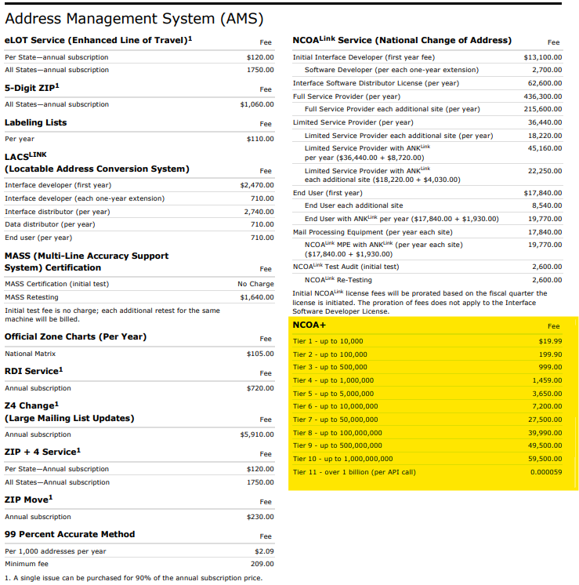
2026-07-30 | HTML/PDF | Page 63 Change the effective date

